1 Synonyms
Big | Grande | bɪɡ |  | 
Large | Grande | lɑrʤ | EXAMPLE
Huge | Inmenso | hjuʤ | EXAMPLE
Enormous | Enorme | ɪˈnɔrməs | EXAMPLE
Small | Pequeño | smɔl |  | 
Tiny | Pequeño | ˈtaɪni | EXAMPLE
Little | Pequeño | ˈlɪtəl | EXAMPLE
Miniature | Miniatura | ˈmɪniəˌʧʊr | EXAMPLE
Good | Bueno | ɡʊd |  | 
Excellent | Excelente | ˈɛksələnt | EXAMPLE
Superb | Magnífico | sʊˈpɜrb | EXAMPLE
Outstanding | Excelente | ˌaʊtˈstændɪŋ | EXAMPLE
Bad | Malo | bæd |  | 
Terrible | Terrible | ˈtɛrəbəl | EXAMPLE
Awful | Horrible | ˈɑfəl | EXAMPLE
Dreadful | Terrible | ˈdrɛdfəl | EXAMPLE
Happy | Feliz | ˈhæpi |  | 
Joyful | Alegre | ˈʤɔɪfəl | EXAMPLE
Glad | Alegre | ɡlæd | EXAMPLE
Cheerful | Triste | ˈʧɪrfəl | EXAMPLE
Sad | Infeliz | sæd |  | 
Unhappy | Doloroso | ənˈhæpi | EXAMPLE
Sorrowful | Sombrío | ˈsɑroʊfəl | EXAMPLE
Gloomy | Rápido | ˈɡlumi | EXAMPLE
Fast | Rápido | fæst |  | 
Quick | Rápido | kwɪk | EXAMPLE
Rapid | Veloz | ˈræpɪd | EXAMPLE
Swift | Rápido | swɪft | EXAMPLE
Slow | Lento | sloʊ |  | 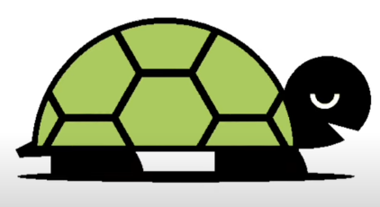
Unhurried | Sin prisa | ənˈhɜrid | EXAMPLE
Slow-paced | De ritmo lento | sloʊ-peɪst | EXAMPLE
Leisurely | Tranquilo | ˈlizərli | EXAMPLE
Easy | Fácil | ˈizi |  | 
Simple | Sencillo | ˈsɪmpəl | EXAMPLE
Effortless | Sin esfuerzo | ˈɛfərtləs | EXAMPLE
Straightforward | Directo | ˈstreɪtˈfɔrwərd | EXAMPLE
Difficult | Difícil | ˈdɪfəkəlt |  | 
Hard | Duro | hɑrd | EXAMPLE
Tough | Resistente | tʌf | EXAMPLE
Challenging | Desafiante | ˈʧælənʤɪŋ | EXAMPLE
Hot | Caliente | hɑt |  | 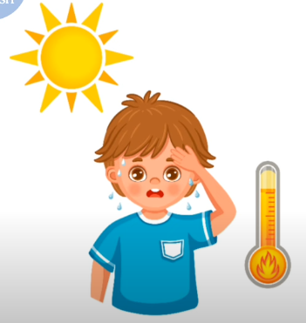
Warm | Tibio | wɔrm | EXAMPLE
Boiling | Hervidiento | ˈbɔɪlɪŋ | EXAMPLE
Scorching | Abrasador | ˈskɔrʧɪŋ | EXAMPLE
Cold | Frío | koʊld |  | 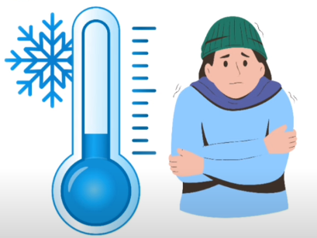
Freezing | Helado | ˈfrizɪŋ | EXAMPLE
Icy | Gélido | ˈaɪsi | EXAMPLE
Chilly | Fríoso | ˈʧɪli | EXAMPLE
Wet | Húmedo | wɛt |  | 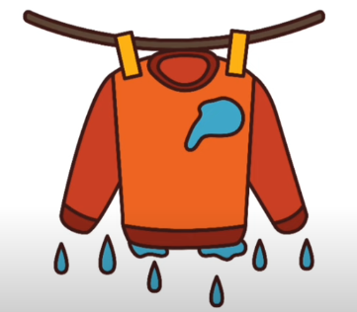
Damp | Mojado | dæmp | EXAMPLE
Moist | Húmedo | mɔɪst | EXAMPLE
Soggy | Empapado | ˈsɑɡi | EXAMPLE
Dry | Seco | draɪ |  | 
Arid | Árido | ˈærəd | EXAMPLE
Parched | Seco | pɑrʧt | EXAMPLE
Desiccated | Reseco | ˈdɛsəkeɪtəd | EXAMPLE
Loud | Ruidoso | laʊd |  | 
Noisy | Ruidoso | ˈnɔɪzi | EXAMPLE
Clamorous | Clamoroso | Clamorous | EXAMPLE
Boisterous | Bullicioso | ˈbɔɪstərəs | EXAMPLE
Quiet | Tranquilo | ˈkwaɪət |  | 
Silent | Silencioso | ˈsaɪlənt | EXAMPLE
Hushed | Silencioso | hʌʃt | EXAMPLE
Tranquil | Tranquilo | ˈtræŋkwəl | EXAMPLE
Old | Viejo | oʊld |  | 
Ancient | Antiguo | ˈeɪnʧənt | EXAMPLE
Elderly | Anciano | ˈɛldərli | EXAMPLE
Aged | Envejecido | eɪʤd | EXAMPLE
Young | Joven | jʌŋ |  | 
Youthful | Juvenil | ˈjuθfəl | EXAMPLE
Juvenile | Juvenil | ˈʤuvənəl | EXAMPLE
Adolescent | Adolescente | ˌædəˈlɛsənt | EXAMPLE
Smart | Listo | smɑrt |  | 
Intelligent | Inteligente | ɪnˈtɛləʤənt | EXAMPLE
Clever | Listo | ˈklɛvər | EXAMPLE
Bright | Brillante | braɪt | EXAMPLE
Stupid | Estúpido | ˈstupɪd |  | 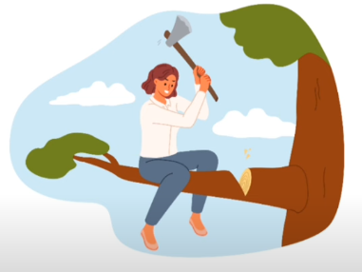
Dumb | Tonto | dʌm | EXAMPLE
Foolish | Insensato | ˈfulɪʃ | EXAMPLE
Idiotic | Idiota | ˌɪdiˈɑtɪk | EXAMPLE
Strong | Fuerte | strɔŋ |  | 
Powerful | Poderoso | ˈpaʊərfəl | EXAMPLE
Mighty | Poderoso | ˈmaɪti | EXAMPLE
Robust | Robusto | roʊˈbʌst | EXAMPLE
Weak | Débil | wik |  | 
Feeble | Endeble | ˈfibəl | EXAMPLE
Frail | Frágil | freɪl | EXAMPLE
Delicate | Delicado | ˈdɛləkət | EXAMPLE
Healthy | Sano | ˈhɛlθi |  | 
Fit | En forma | fɪt | EXAMPLE
Well | Bien | wɛl | EXAMPLE
Robust | Robusto | roʊˈbʌst | EXAMPLE
Sick | Enfermo | sɪk |  | 
Ill | Enfermo | ɪl | EXAMPLE
Unwell | Indispuesto | ʌnˈwɛl | EXAMPLE
Diseased | Enfermo | dɪˈzizd | EXAMPLE
Rich | Rico | rɪʧ |  | 
Wealthy | Adinerado | ˈwɛlθi | EXAMPLE
Affluent | Afluente | ˈæfluənt | EXAMPLE
Prosperous | Próspero | ˈprɑspərəs | EXAMPLE
Poor | Pobre | pʊr |  | 
Impoverished | Empobrecido | ɪmˈpɑvrɪʃt | EXAMPLE
Destitute | Indigente | ˈdɛstəˌtut | EXAMPLE
Needy | Necesitado | ˈnidi | EXAMPLE

2 Synonyms
Angry | Enojado | ˈæŋɡri |  | 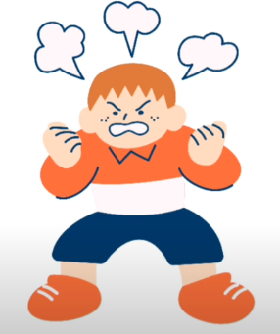
Furious | Furioso | ˈfjʊriəs | EXAMPLE
Enraged | Enfurecido | ɛnˈreɪʤd | EXAMPLE
Irate | Irritado | aɪˈreɪt | EXAMPLE
Calm | Tranquilo | kɑm |  | 
Peaceful | Pacífico | ˈpisfəl | EXAMPLE
Serene | Sereno | səˈrin | EXAMPLE
Tranquil | Tranquilo | ˈtræŋkwəl | EXAMPLE
Busy | Ocupado | ˈbɪzi |  | 
Occupied | Ocupado | ˈɑkjəˌpaɪd | EXAMPLE
Engaged | Comprometido | ɛnˈɡeɪʤd | EXAMPLE
Hectic | Frente | ˈhɛktɪk | EXAMPLE
Free | Libre | fri |  | 
Unoccupied | Desocupado | əˈnɑkjəˌpaɪd | EXAMPLE
Vacant | Vacante | ˈveɪkənt | EXAMPLE
Idle | Inactivo | ˈaɪdəl | EXAMPLE
True | Verdadero | tru |  | 
Accurate | Exacto | ˈækjərət | EXAMPLE
Correct | Correcto | kəˈrɛkt | EXAMPLE
Exact | Exacto | ɪɡˈzækt | EXAMPLE
False | Falso | fɔls |  | 
Untrue | Incierto | ənˈtru | EXAMPLE
Inaccurate | Inexacto | ɪˈnækjərət | EXAMPLE
Wrong | Incorrecto | rɔŋ | EXAMPLE
Real | Real | riəl |  | 
Genuine | Genuino | ˈʤɛnjəwən | EXAMPLE
Authentic | Auténtico c | əˈθɛntɪk | EXAMPLE
True | Verdadero | tru | EXAMPLE
Fake | Falso | feɪk |  | 
Counterfeit | Imitador | ˈkaʊntərˌfɪt | EXAMPLE
Phony | Falso | ˈfoʊni | EXAMPLE
Bogus | Falso | ˈboʊɡəs | EXAMPLE
Beautiful | Hermoso | ˈbjutəfəl |  | 
Pretty | Bonito | ˈprɪti | EXAMPLE
Lovely | Encantador | ˈlʌvli | EXAMPLE
Gorgeous | Precioso | ˈɡɔrʤəs | EXAMPLE
Ugly | Feo | ˈʌɡli |  | 
Hideous | Horrible | ˈhɪdiəs | EXAMPLE
Unsightly | Desagradable | ənˈsaɪtli | EXAMPLE
Repulsive | Repulsivo | riˈpʌlsɪv | EXAMPLE
Funny | Gracioso | ˈfʌni |  | 
Humorous | Humorístico | ˈhjumərəs | EXAMPLE
Amusing | Divertido | əmˈjuzɪŋ | EXAMPLE
Comical | Cómico | ˈkɑmɪkəl | EXAMPLE
Serious | Serio | ˈsɪriəs |  | 
Solemn | Solemne | ˈsɑləm | EXAMPLE
Grave | Grave | ɡreɪv | EXAMPLE
Earnest | Sincero | ˈɜrnɪst | EXAMPLE
Kind | Amable | kaɪnd |  | 
Gentle | Gentil | ˈʤɛntəl | EXAMPLE
Caring | Cariñoso | ˈkɛrɪŋ | EXAMPLE
Compassionate | Compasivo | kəmˈpæʃənət | EXAMPLE
Cruel | Cruel | ˈkruəl |  | 
Heartless | Despiadado | ˈhɑrtləs | EXAMPLE
Brutal | Brutal | ˈbrutəl | EXAMPLE
Vicious | Vicioso | ˈvɪʃəs | EXAMPLE
Brave | Valiente | breɪv |  | 
Courageous | Coraje | kəˈreɪʤəs | EXAMPLE
Bold | Audaz | boʊld | EXAMPLE
Fearless | Intrépido | ˈfɪrləs | EXAMPLE
Cowardly | Cobarde | ˈkaʊərdli |  | 
Timid | Tímido | ˈtɪmɪd | EXAMPLE
Fearful | Temeroso | ˈfɪrfəl | EXAMPLE
Pusillanimous | Pusilánime | pjusəˈlænəməs | EXAMPLE
Lazy | Perezoso | ˈleɪzi |  | 
Idle | Ocioso | ˈaɪdəl | EXAMPLE
Sluggish | Lento | ˈslʌɡɪʃ | EXAMPLE
Lethargic | Letárgico | ləˈθɑrʤɪk | EXAMPLE
Energetic | Enérgico | ˌɛnərˈʤɛtɪk |  | 
Lively | Vivaz | ˈlaɪvli | EXAMPLE
Active | Activo | ˈæktɪv | EXAMPLE
Dynamic | Dinámico | daɪˈnæmɪk | EXAMPLE
Hardworking | Trabajador | ˈhɑrˌdwɜrkɪŋ |  | 
Diligent | Diligente | ˈdɪlɪʤənt | EXAMPLE
Industrious | Industrioso | ɪnˈdʌstriəs | EXAMPLE
Assiduous | Asiduo | əˈsɪdwəs | EXAMPLE
Tired | Cansado | ˈtaɪərd |  | 
Exhausted | Agotado | ɪɡˈzɑstɪd | EXAMPLE
Weary | Fatigado | ˈwɪri | EXAMPLE
Drained | Agotado | dreɪnd | EXAMPLE
Confident | Confiado | ˈkɑnfədənt |  | 
Self-assured | Seguro de sí mismo | sɛlf-əˈʃʊrd | EXAMPLE
Bold | Audaz | boʊld | EXAMPLE
Self-reliant | Confiado en sí mismo | sɛlf-rɪˈlaɪənt | EXAMPLE
Shy | Tímido | ʃaɪ |  | 
Bashful | Vergonzoso | ˈbæʃfəl | EXAMPLE
Reserved | Reservado | rɪˈzɜrvd | EXAMPLE
Timid | Tímido | ˈtɪmɪd | EXAMPLE
Bright | Brillante | braɪt |  | 
Radiant | Radiante | ˈreɪdiənt | EXAMPLE
Luminous | Luminoso | ˈlumənəs | EXAMPLE
Shining | Reluciente | ˈʃaɪnɪŋ | EXAMPLE
Dark | Oscuro | dɑrk |  | 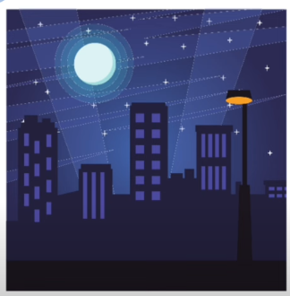
Dim | Tenebroso | dɪm | EXAMPLE
Shadowy | Sombrío | ˈʃædoʊi | EXAMPLE
Gloomy | Sombrío | ˈɡlumi | EXAMPLE
Expensive | Caro | ɪkˈspɛnsɪv |  | 
Costly | Costoso | ˈkɑstli | EXAMPLE
Pricey | Preciado | ˈpraɪsi | EXAMPLE
Extravagant | Extravagante | ɛkˈstrævəɡənt | EXAMPLE

3 Synonyms
Cheap | Barato | ʧip |  | 
Inexpensive | Barato | ˌɪnɪkˈspɛnsɪv | EXAMPLE
Affordable | Asequible | əˈfɔrdəbəl | EXAMPLE
Economical | Económico | ˌɛkəˈnɑmɪkəl | EXAMPLE
Generous | Generoso | ˈʤɛnərəs |  | 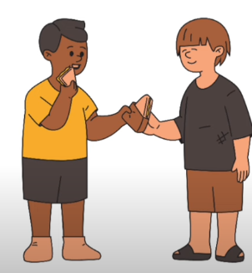
Giving | Dador | ˈɡɪvɪŋ | EXAMPLE
Charitable | Caritativo | ˈʧærətəbəl | EXAMPLE
Benevolent | Benevolente | bəˈnɛvələnt | EXAMPLE
Selfish | Egoísta | ˈsɛlfɪʃ |  | 
Egocentric | Egocéntrico | ˌiɡoʊˈsɛntrɪk | EXAMPLE
Self-centered | Egocéntrico | sɛlf-ˈsɛntərd | EXAMPLE
Egotistical | Egotista | ˌiɡəˈtɪstɪkəl | EXAMPLE
Lucky | Afortunado | ˈlʌki |  | 
Fortunate | Afortunado | ˈfɔrʧənət | EXAMPLE
Blessed | Bendito | blɛst | EXAMPLE
Favored | Favorecido | ˈfeɪvərd | EXAMPLE
Unlucky | Desafortunado | ənˈlʌki |  | 
Unfortunate | Desafortunado | ənˈfɔrʧənət | EXAMPLE
Luckless | Desafortunado | ˈlʌkləs | EXAMPLE
Cursed | Maldito | kɜrst | EXAMPLE
Clean | Limpio | klin |  | 
Spotless | Inmaculado | ˈspɑtləs | EXAMPLE
Pristine | Prístino | ˈprɪstin | EXAMPLE
Immaculate | Inmaculado | ɪˈmækjulɪt | EXAMPLE
Dirty | Sucio | ˈdɜrti |  | 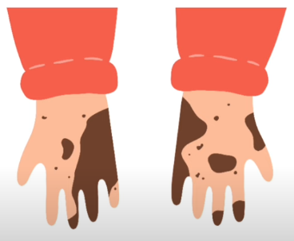
Filthy | Inmundo | ˈfɪlθi | EXAMPLE
Grimmy | Mugriento | Grimmy | EXAMPLE
Soiled | Sucio | sɔɪld | EXAMPLE
Honest | Honesto | ˈɑnəst |  | 
Truthful | Veraz | ˈtruθfəl | EXAMPLE
Sincere | Sincero | sɪnˈsɪr | EXAMPLE
Trustworthy | Confiable | ˈtrʌˌstwɜrði | EXAMPLE
Dishonest | Deshonesto | dɪˈsɑnəst |  | 
Deceitful | Engañoso | dəˈsitfəl | EXAMPLE
Untrustworthy | Poco confiable | ənˈtrʌˌstwɜrði | EXAMPLE
Fraudulent | Fraudulento | ˈfrɔʤələnt | EXAMPLE
Flat | Plano | flæt |  | 
Smooth | Suave | smuð | EXAMPLE
Even | Incluso | ˈivɪn | EXAMPLE
Levelled | Nivelado | ˈlɛvəld | EXAMPLE
Rough | Áspero | rʌf |  | 
Coarse | Tosco | kɔrs | EXAMPLE
Uneven | Desigual | əˈnivən | EXAMPLE
Jagged | Dentro de límites | ʤæɡd | EXAMPLE

